Sunnyside
JAN | FEB | MAR | APR | MAY | JUN | JUL | AUG | SEP | OCT | NOV | DEC | JAN
Social Media
Launch the website updates with teasers and info on the Sunnyside
Ramp up PR efforts, publishing articles and features in industry publications like Variety and The Hollywood Reporter, emphasizing Mission & Sunnyside
Host an exclusive pre-launch event (in-person or virtual) for VIP clients, giving them a behind-the-scenes tour of the Mission.
Host Sunnyside Grand Opening Event
Host Mission Grand Opening Event
Partnership
Begin targeted ad campaigns on social media, Google, and LinkedIn to build buzz around the new locations.
Send out the press box deliveries to executives, including swag items like Stanley Tumblers, Yeti Cups, and information on stage availability.
Host an exclusive pre-launch event (in-person or virtual) for VIP clients, giving them a behind-the-scenes tour of the Sunnyside Location.
Press

Send out bi-weekly eblasts, weekly personalized emails, and daily social media posts
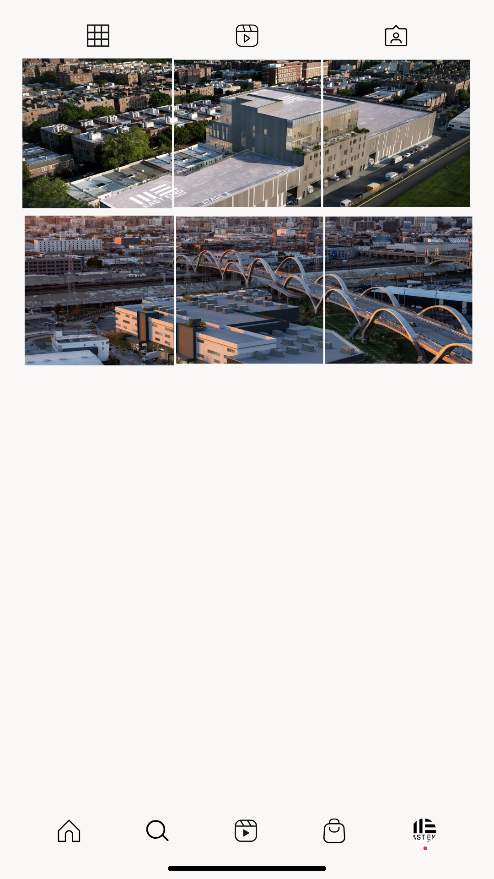

Partnerships
Social

Mission
JAN | FEB | MAR | APR | MAY | JUN | JUL | AUG | SEP | OCT | NOV | DEC | JAN
Marketing
Launch the website updates with teasers and info on the Mission
Host an exclusive pre-launch event (in-person or virtual) for VIP clients, giving them a behind-the-scenes tour of the Mission.
Ramp up PR efforts, publishing articles and features in industry publications like Variety and The Hollywood Reporter, emphasizing Mission & Sunnyside
Host Mission Grand Opening Event
Host Sunnyside Grand Opening Event
Begin targeted ad campaigns on social media, Google, and LinkedIn to build buzz around the new locations.
Send out the press box deliveries to executives, including swag items like Stanley Tumblers, Yeti Cups, and information on stage availability.
Host an exclusive pre-launch event (in-person or virtual) for VIP clients, giving them a behind-the-scenes tour of the Sunnyside Location.
Begin targeted ad campaigns on social media, Google, and LinkedIn to build buzz around the new locations.
 |  |  |  |  |  |  |  |  |  |  | Dec.1

Send out bi-weekly eblasts, weekly personalized emails, and daily social media posts

Social

Sunnyside Marketing Calendar
Marketing Materials
 | 2024-12-29 |  |  |  | WK 1 OF 6

JANUARY | FEBRUARY | MARCH | APRIL | MAY | JUNE | JULY | AUGUST | SEPTEMBER | OCTOBER | NOVEMBER | DECEMBER

Finalize marketing materials (hero image, one-pagers, email templates, website updates). Develop asset-specific messaging framework. Confirm promotional partnerships (PR, influencers). Coordinate with designers for visuals.
Create key contacts list (studios, producers, executives). Set up email automation for campaigns. Finalize event dates for press tours and soft openings.
Planning & Preparation

Launch teaser campaign via email, social media, and website. Highlight key features. Attend PGA coalition meeting. Release press release on studio launch.
Open early occupancy applications. Promote early occupancy incentives. Host virtual info sessions and facility tours. Share behind-the-scenes content.
Begin direct outreach to executives. Send marketing materials (one-pagers, maps, facility specs). Leverage LinkedIn for industry targeting. Build credibility with testimonials.
Organize press tours. Secure media coverage. Provide sneak peeks of stages. Highlight success stories of past projects.
Awareness & Pre-Sale

Launch countdown campaign (weekly emails, social media posts). Highlight testimonials and incentives.

Final Push & Onboarding
Market early occupancy period. Host VIP open house for clients, investors, and press.
Finalize bookings. Share virtual walkthroughs, drone footage, and testimonials. Confirm grand opening attendees.

Launch & Beyond
Host grand opening event. Share live event coverage. Publish success press release.
 |  |  |  |  |  |  |  | a

Evaluate campaign success (leads, occupancy rates). Continue marketing efforts based on initial feedback.

Launch & Beyond
Use success stories for broader campaigns. Target new markets for future expansions.

